BugReport_SearchBar
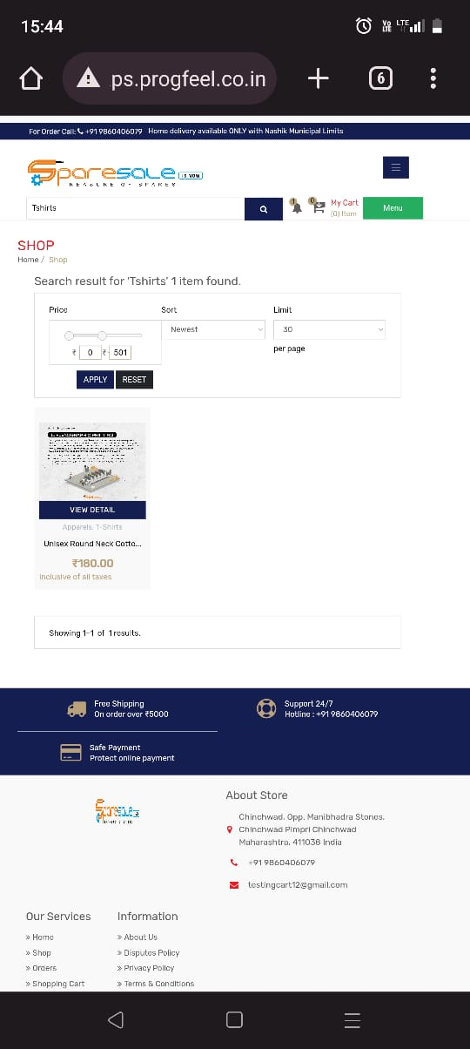
Project name: | Progfeel Grossary App
Feature Name: | Search Bar
Build number: | 1
Severity : | High
Priority : | High
Reproducability: | Always
Platform:
Bug id: | 1
Bug Status: | Open
Bug Summary: | Searched things not appearing
Bug Description: | when user searches anything expect food item ,it is not coming in appearnce
Steps to Reproduce Bug: | 1.Login to app.
 | 2.Goto Search bar
 | 3.Search for Tshirts
Expeected Result: | Searched things should comes in appearnce
Actual Result: | Searched things not appearing
Attachment: | screenshot

BugReport_City
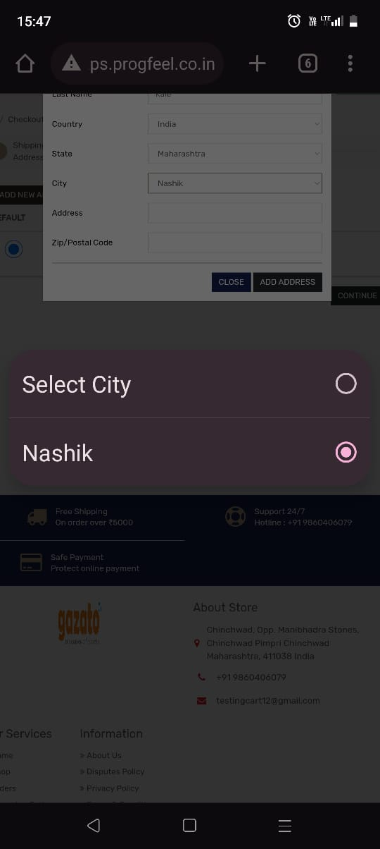
Project name: | Progfeel Grossary App
Feature Name: | Adrress Feature
Build number: | 1
Severity : | high
Priority : | high
Reproducability: | always
Platform:
Bug id: | 2
Bug Status: | Open
Bug Summary: | Only nashik city is showing
Bug Description: | while selecting city ,only Nashik City is showing during filling the shipping Adress
Steps to Reproduce Bug: | 1.loging to app
 | 2.click on product
 | 3. click on "+" to add
 | 4.click on cart
 | 5.proceed to checkout
 | 6.enter adress
 | 7.click on city
Expeected Result: | All city must show
Actual Result: | Only nashik city is showing
Attachment: | screenshot

BugReport_HighlightedProducts

Project name: | Progfeel Grossary App
Feature Name: | Highlight Products
Build number: | 1
Severity : | High
Priority : | High
Reproducability: | Always
Platform:
Bug id: | 3
Bug Status: | open
Bug Summary: | Highlight Products not founds
Bug Description: | When End user clicks on Highlighted products the Error page occures and Shows "Server not found" message
Steps to Reproduce Bug: | 1.Loging to app
 | 2.Select any highlight product
 | 3.Click on that product
Expeected Result: | Highlighted products details should display
Actual Result: | Highlighted products details not displaying
Attachment: | screenshot

BR_differntSection
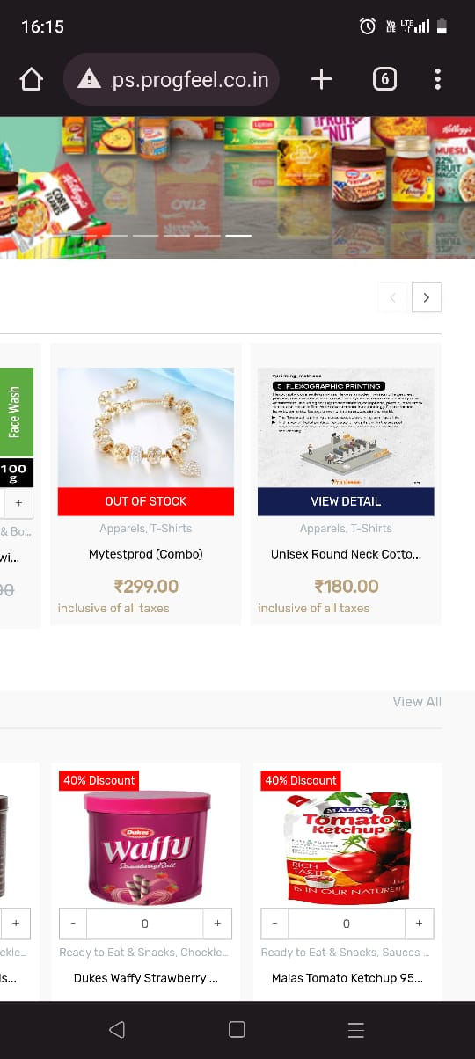
Project name: | Progfeel Grossary App
Feature Name: | Section Wise Appearnce
Build number: | 1
Severity : | medium
Priority : | high
Reproducability: | always
Platform:
Bug id: | 4
Bug Status: | open
Bug Summary: | Differnet prodcuts showing on different prodcut section
Bug Description: | In homepage section Other products are showing on Tshirts Labels
Steps to Reproduce Bug: | 1.Login into app
 | 2.Look Below of Highlighted products OR Search for Tshirts
Expeected Result: | Same Products should show under same section
Actual Result: | Differnet prodcuts showing on different prodcut section
Attachment: | screenshot

DOB
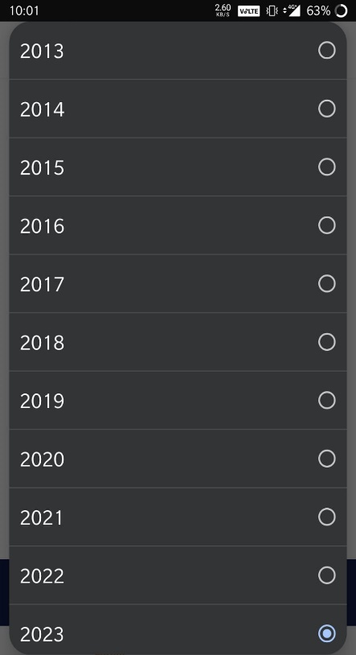
Project name: | Progfeel Grossary App
Feature Name: | Date Of Birth
Build number: | 1
Severity : | high
Priority : | high
Reproducability: | always
Platform:
Bug id: | 5
Bug Status: | open
Bug Summary: | 2013 below years are not availble
Bug Description: | while selecting DOB, from 2013 to 2023 these years availble ,below of 2013 years not available
Steps to Reproduce Bug: | 1.Login to app
 | 2.Click on Profile, page will open
 | 3.again click on profile
 | 4.Click on DOB filed
 | 5.click on Year and check
Expeected Result: | Year should show atleast from 2000
Actual Result: | not showing
Attachment: | screenshot

spelling
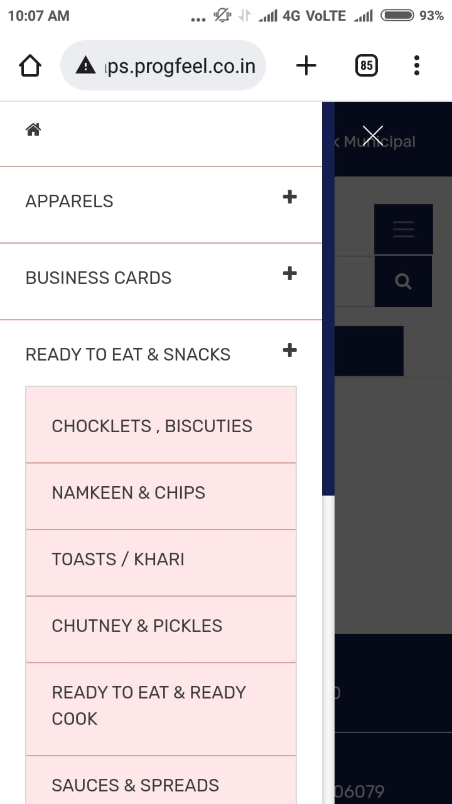
Project name: | Progfeel Grossary App
Feature Name: | Menu option feature
Build number: | 1
Severity : | minor
Priority : | high
Reproducability: | always
Platform:
Bug id: | 6
Bug Status: | open
Bug Summary: | spelling mistake
Bug Description: | In ready to eat & snack menu option ,Choclate spelling is wrong
Steps to Reproduce Bug: | 1.Login to app
 | 2.click on Menu option
 | 3.Click on Ready to eat & snack option
 | 4.check spelling of choclate
Expeected Result: | spelling should be "Choclate"
Actual Result: | not as per requirement
Attachment: | screenshot

wrongLanguage
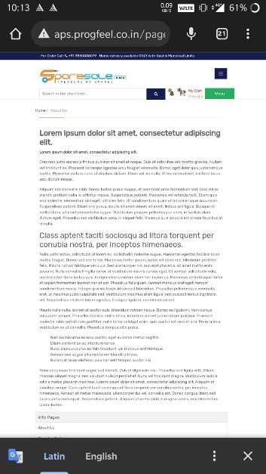
Project name: | Progfeel Grossary App
Feature Name: | About us section
Build number: | 1
Severity : | major
Priority : | high
Reproducability: | always
Platform:
Bug id: | 7
Bug Status: | open
Bug Summary: | wrong language
Bug Description: | While end user goes to About us section , data is written in wrong language
Steps to Reproduce Bug: | 1.Login to app
 | 2.Click on About us section
 | 3. check the written language
Expeected Result: | written data should in English Langauge
Actual Result: | data is written in wrong language
Attachment: | screenshot

spelling2
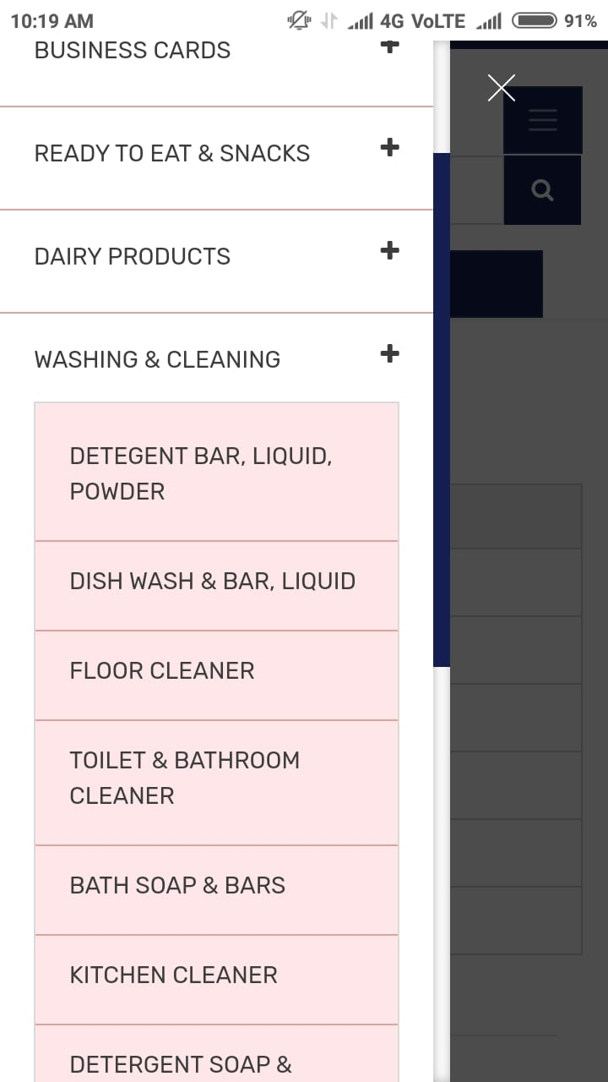
Project name: | Progfeel Grossary App
Feature Name: | Menu option feature
Build number: | 1
Severity : | minor
Priority : | high
Reproducability: | always
Platform:
Bug id: | 8
Bug Status: | open
Bug Summary: | spelling mistake
Bug Description: | In Washing and Cleaning menu option ,Detergent spelling is wrong
Steps to Reproduce Bug: | 1.Login to app
 | 2.click on Menu option
 | 3.Click on Washing and Cleaning option
 | 4.check spelling of Detergent
Expeected Result: | spelling should be "Detergent"
Actual Result: | not as per requirement
Attachment: | screenshot

acc_image
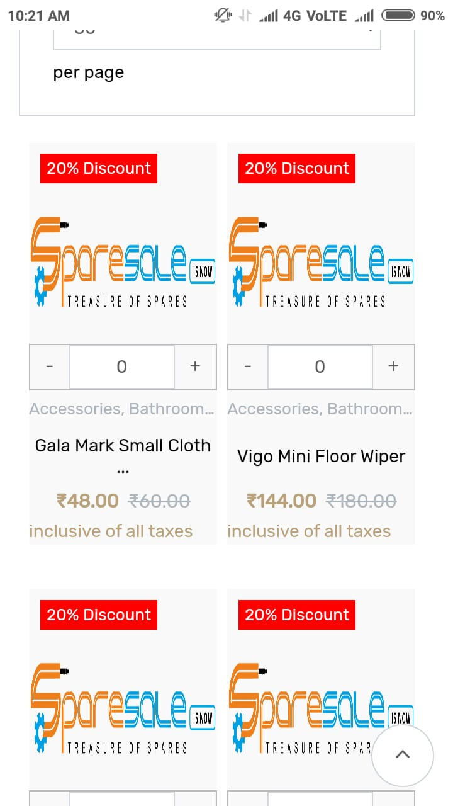
Project name: | Progfeel Grossary App
Feature Name: | Accessories Menu option feature
Build number: | 1
Severity : | High
Priority : | high
Reproducability: | Inconsistent
Platform:
Bug id: | 9
Bug Status: | open
Bug Summary: | Brand Image not displaying
Bug Description: | When end user goes to Bathroom Accessories , accessories images not showing
Steps to Reproduce Bug: | 1.Login to app
 | 2.click on Menu option
 | 3.Click on Accessories option
 | 4.Click on Bathroom Accessories
 | 5. Check the accessories images
Expeected Result: | The images of Bathroom accessories must display
Actual Result: | not displaying
Attachment: | screenshot

Sheet6
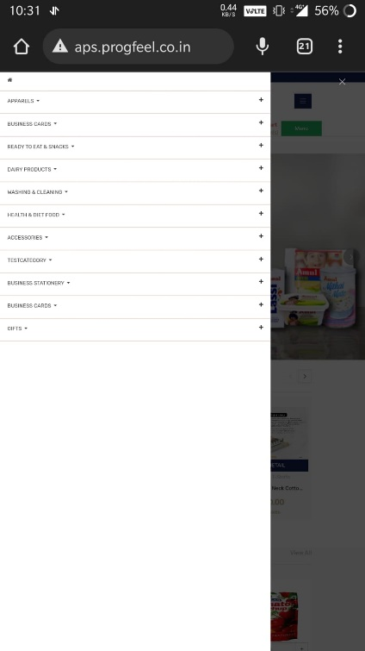
Project name: | Progfeel Grossary App
Feature Name: | Business Card Menu option feature
Build number: | 1
Severity : | High
Priority : | high
Reproducability: | Inconsistent
Platform:
Bug id: | 10
Bug Status: | open
Bug Summary: | Page not opening
Bug Description: | When end user clicks on Business card menu option, the page is not opening.
Steps to Reproduce Bug: | 1.Login to app
 | 2.click on Menu option
 | 3.Click on Business card option
 | 4.Click the page
Expeected Result: | Business card accessories page should click
Actual Result: | Page not opening
Attachment: | screenshot

